COCOMO
WEB IMPLEMENTATION FOR BANK TO PREDICT ELIGIBLE CUSTOMERS USING MACHINE LEARNING AND AWS
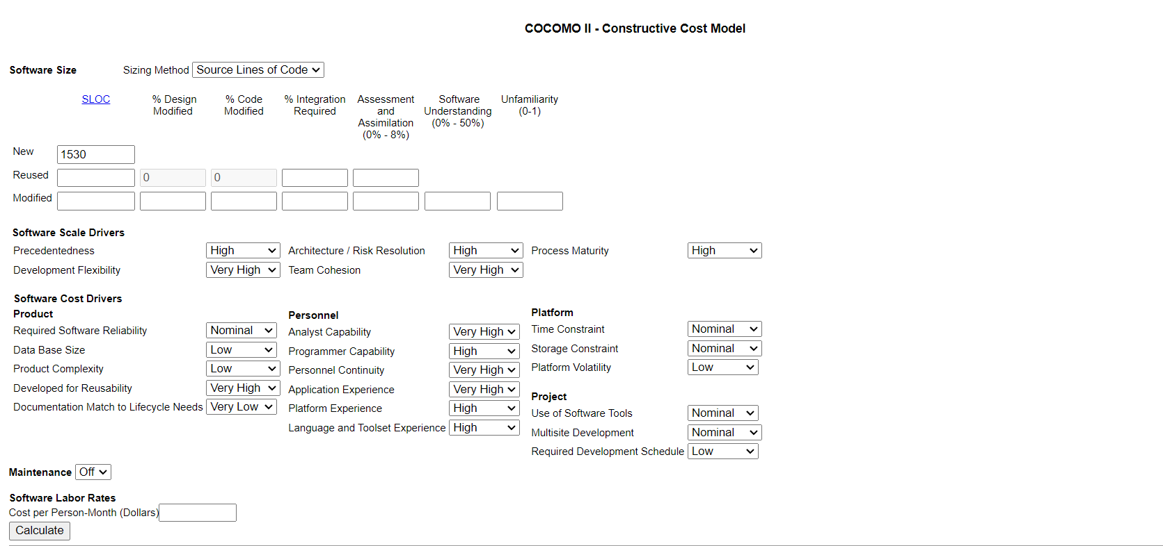

Output :

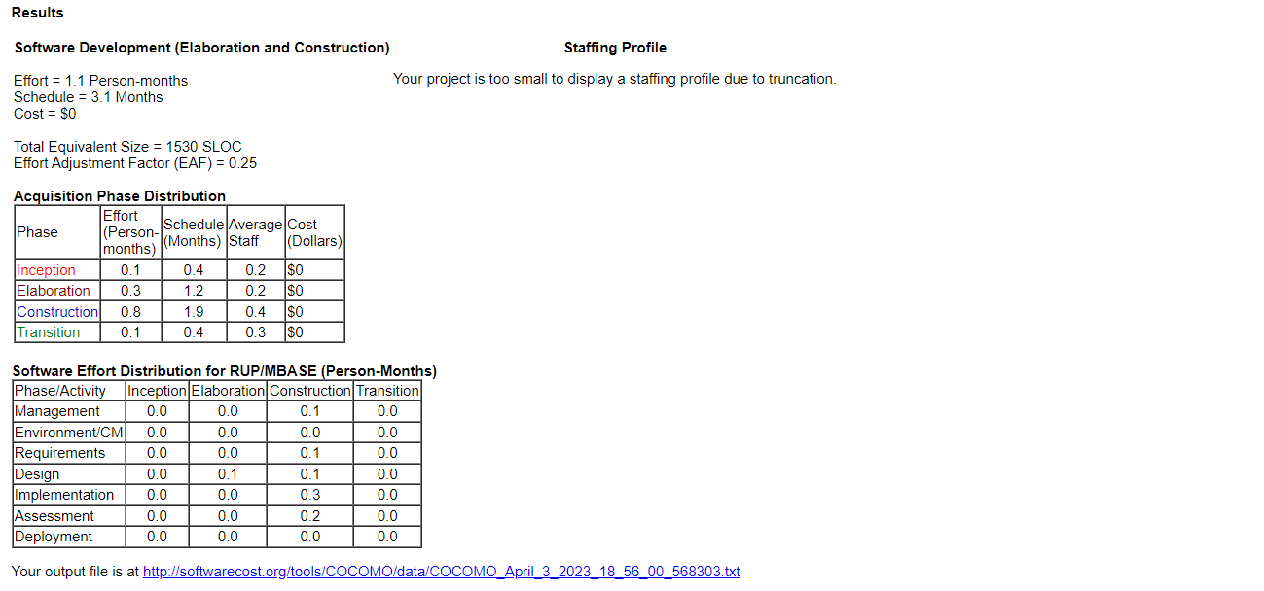

With 1503 lines of code 1.1 person for a period of 3.1 months is estimated.

